1. Title Page
Grocery Basket Analysis

Project Name: Instacart Grocery Basket Analysis
Date: May 14, 2023
Analyst Name: Rich Seiler

Contents:
Population Flow
Consistency checks
Wrangling steps
Column derivations
Visualizations
Recommendations

“The Instacart Online Grocery Shopping Dataset 2017”, Accessed from www.instacart.com/datasets/grocery-shopping-2017 via Kaggle on [4-26-23].
Customer data as well as the “prices” in the products data set were both fabricated for the purpose of this project.

2. Population Flow
Title page

Population flow

Exclusion flag
Condition: max_order < 5
Obervations to be removed: 1,441,548 (4.4% of data)
Final total count of order_products_all: 30,992,664

Orders_products_combined
Orders_products_merged
Orders_products_all

Total: 32,434,212
Total: 32,434,489
Total: 30,992,664

1.) The grey boxes in the first row of the population flow represent the original data sets as they were when you downloaded them. In the Total fields you need to add the count of the rows when you imported the data set into Jupyter.
2.) The second row of boxes (coloured) represents the data sets after you manipulated them, e.g., removed missing values and duplicates. In the Total fields you need to add the count of the rows after conducting these operations. This offers a visual oveview of how the data flows throughout the data consistency checks.
3.) The third row, where also the arrows are coloured, represents the merges you performed between the datasets. In the Total fields you need to add the count of the rows in the merged datasets, so that you end up with the final dataset (in the red box). Keep in mind the final dataset should be without exclusions (based on the exclusion flag).

3. Consistency checks
 |  |  |  | Title page
Consistency checks

Dataset | Missing values | Missing values treatment | Duplicates
orders | 206,209 observations missing 'days_since_prior_order' | No changes made because the first time someone places an order, they don't have a prior order. | No duplicates
products | 16 observations missing 'product_name' | I dropped the 16 observations that were missing 'product_name' | 5 duplicates
orders_products_prior | No missing values | N/A | No duplicates
customers | No missing values | N/A | No duplicates

4. Wrangling steps
 |  |  |  | Title page
Wrangling steps

Columns dropped | Columns renamed | Columns' type changed | Comment/Reason
"eval_set" column from orders.csv |  |  | This column did not contain useful information
"first_name" column from customer.csv |  |  | This column contained personal information that is a security violation if shared.
"surnam" column from customer.csv |  |  | This column contained personal information that is a security violation if shared.
 | "STATE" column was changed to "State" |  | For consistency since all of the other columns started with an upper-case letter followed by lower-case letters
 |  | "orders_id" type from orders.csv | I changed to a string to perform calculations
 |  | "user_id" type from orders.csv | I changed to a string to perform calculations

5. Column derivations
 |  |  |  |  | Title page

Column derivations and aggregations

In this tab you should add tables below that the frequences of flags/label variables that you produced after deriving them. NB: don't do this for continuous variables, only for flags.
Dataset | New column | Column/s it was derived from | Conditions | Frequencies
orders_products_merged | Price_range_loc | prices | "Low-range product" if price is <= 5, "Mid-range product" if price is >5 & <=15, "High-range product" if price is > 15 | "Low-range product" 10,126,384 "Mid-range product" 21,890,146 "High-range product" 417,682
orders_products_merged | busiest_day | orders_dow | "Busiest day" if order_dow = 0, "Least busy" if order_dow = 4, "Regularly busy" for all others | "Busiest day" 6,209,632 "Least busy" 3,787,193 "Regularly busy" 22,437,387
orders_products_merged | busiest_period | orders_dow | "Busiest days" if order_dow = 0 or 1, "Slowest days" if order_dow =3 or 4, "Regularly days" for all others | "Busiest days" 12,927,461 "Slowest days" 7,631,289 "Regularly days" 12,927,461
orders_products_merged | busiest_period_of_day | order_hour_of_day | "Fewest orders" if order_hour_of_day: [0,1,2,3,4,5,6,23], "Most orders" if order_hour_of_day: [9,10,11,12,13,14,15,16], "Average orders" for all others | "Fewest orders" 596,816 "Most orders" 16,143,132 "Average orders" 15,694,264
orders_products_merged | max_order | order_number | "user_id" and "order_number" were transformed into maximum of "order_number" | N/A
orders_products_merged | loyalty_flag | max_order | "Loyal customer" if max_order > 40, "Regular customer" if max_order <=40 & >10, "New customer" if max_order <=11 | "Loyal customer" 10,293,737 "Regular customer" 15,891,077 "New customer" 6,249,398
orders_products_merged | average_price | prices | "user_id" and "prices" were transformed into mean of "prices" | N/A
orders_products_merged | spending_flag | average_price | "Low spender" if avg_price is <10, "High spender" if "avg_price is >=10 | "Low spender" 31,798,102 "High spender" 636,110
orders_products_merged | median_order_freq | days_since_prior_order | user_id and "days_since_prior_order" were transformed by median of "days_since_prior_order" | N/A
orders_products_merged | order_frequency_flag | median_prior_orders | "Frequent customer" if order_frequency_flag <=10, "Regular customer" if order_frequency_flag >10 & <=20, "Non-frequent customer" if order_frequency_flag >20 | "Frequent customer" 21,577,409 "Regular customer" 7,217,134 "Non-frequent customer" 3,639,669
df_combo | region | State | Classifications were found in wikipedia article | "Midwest" 7,603,810 "Northeast" 5,728,347 "South" 10,801,610 "West" 8,300,445
df_combo | age_group | Age | "Young Adult" if age_group is <=40, "Middle-Aged" if age_group is >40 & <65, "Senior" if age_group is >=65 | Young Adult 10,674,650 "Middle-Aged" 12,115,268 "Senior" 8,202,746
df_combo | income_group | Income | "025-75k" if income_group is <75,000, "075 - 125k" if income_group is >75,000 & <=125,000, "125k+" if income_group is >125,000 | "025-75k"... 9,916,284 "075 - 125k"… 12,791,163 "125k+"… 8,285,217
df_combo | dependants | number_of_dependants | "No dependants" if dependants = 0, "Have dependants" if dependants >=1 | "No dependants"7,747,032 "Have dependants" 23,245,632
df_combo | vegan_profile | department_id | "Vegan" if the customer has zero orders from department_id 12 (meat department) and zero orders from department_id 16 (dairy department), "Non-vegan" for all others | "Non-vegan" 30,682,934 "Vegan" 309,730
df_combo | pet_profile | department_id | "Pet owner" if the customer purchased from department 7 (pet department), "No pet" if there are zero purchases from department 7 (pet department) | "No pet" 27,539,023 "Pet owner" 3,453,641

6. Visualizations
 |  |  |  |  |  |  | Title page

Visualisations
Visualisations

In this tab you should include all the visualtions from Exercises 4.9 and 4.10, alongside the questions from the project brief that they answer. Include any commentary on the relationship between different variables.
In this tab you should include all the visualtions from Exercises 4.9 and 4.10, alongside the questions from the project brief that they answer. Include any commentary on the relationship between different variables.

Visualizations

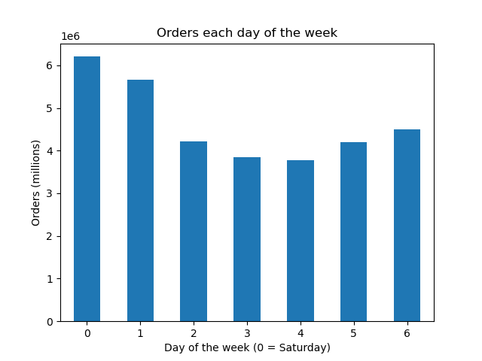

Key Question #1 When are the busiest days of the week?

This bar chart shows the number of orders sorted by the day of the week.
* Orders on Saturday and Sunday are the busiest days of the week.
* Tueday and Wednesday are the slowest days of the week.

0 | 1 | 2 | 3 | 4 | 5 | 6
Saturday | Sunday | Monday | Tuesday | Wednesday | Thursday | Friday



Key Question #1 When are the busiest hours of the day?

This histogram shows the number of items ordered for each hour of the day. 0 = midnight, 5 = 5am, 10 = am, 15 = 3pm, 20 = 8pm.
* The busiest hours are between 10AM and 4PM.
* The slowest ordering period is between midnight and 6AM.

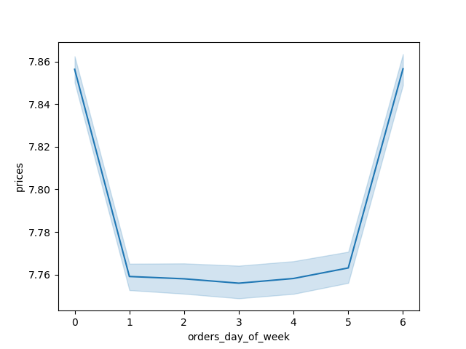

Key Question #2 Are there particular days when people spend more money?

This line chart shows the mean price per item on orders placed each day.
* The highest average price per item is on Friday and Saturday.
* Even though Sunday has the second highest number of items ordered, it has a very lower average price.
* Friday, which has the third highest number of items ordered each week, has a mean price per item comparable to Saturday.
* We can conclude that customers order more expensive items on Friday and Saturday, maybe because they just got paid on Friday.

Key Question #2 Are there particular times of the day when people spend more money?


This line chart shows the average price variation of items by each hour the order was placed.
* There is a lot of variablility of average price before 8AM. * This is due to the low amount of orders placed at these hours make outliers more significant.
* The first hour of the busiest period of the day 10 AM has the lowest average price per item. The average prices rises rapidly untill 12 PM, and then gradually increases to a peak at 6PM.
* There is another peak in average price per item at 10PM but this is less significant since the quantity of items ordered is low at this time.
* The preferred time for advertisements should be when many orders are being placed and should be sensitive to the average item price per hour.

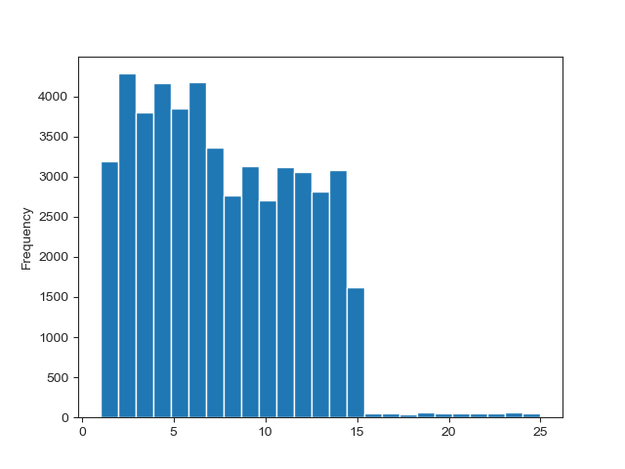

Key Question #3 Marketing and sales want to use simpler price range groupings to help direct their efforts.

This histogram chart shows the number of products at each price point.
* The majority of items are priced between $1 to $15.
* Very few items are priced between $15 and $25.

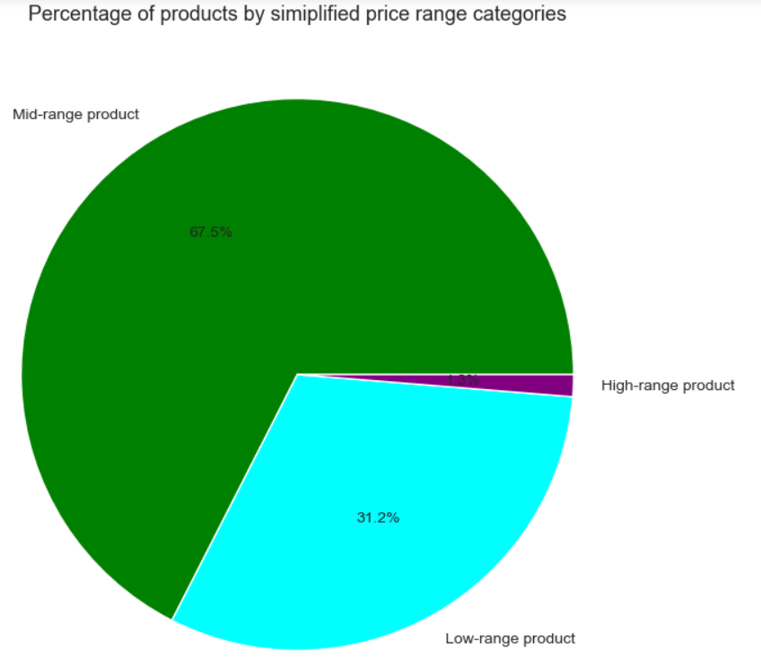

Key Question #3 Marketing and sales want to use simpler price range groupings to help direct their efforts.

This pie chart shows items by the simplified classified by price range grouping.
* Only 1.3% of items sold are high range products (>$15).
* More than two-thirdsof products sold are mid-range products ($5-$15) and nearly one-third of products sold are low-range products (<$5)

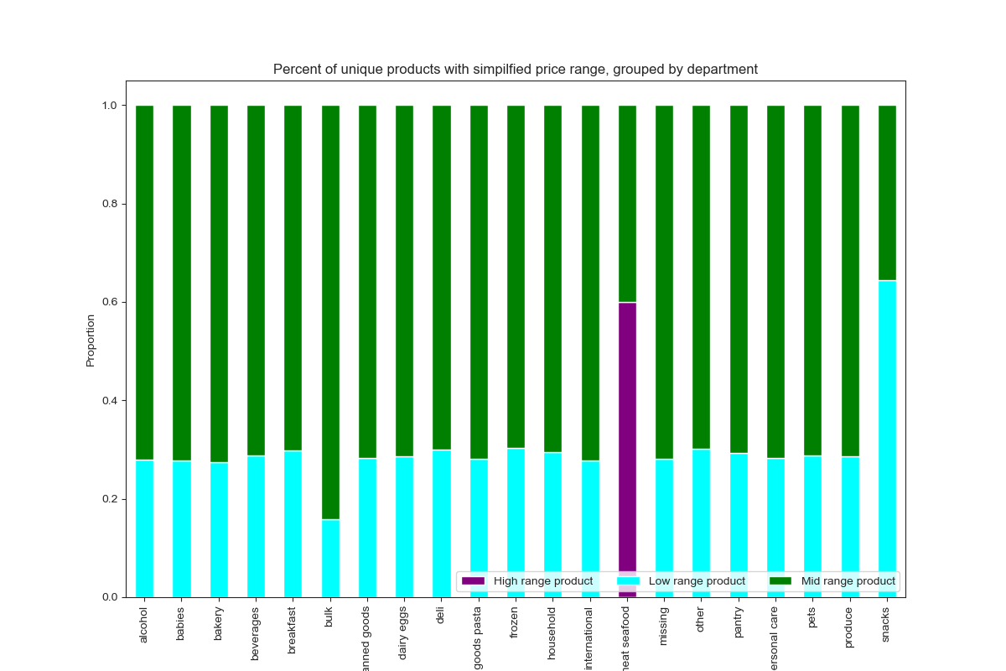

Key Question #3 Marketing and sales want to use simpler price range groupings to help direct their efforts.

This bar chart shows the percent of items ordered by department, segemented with the simplified price range.
* The meat and seafood department contains the majority of items that qualify as High range products.
* * The meat and seafood department is the only one with no items classified as low range products.
* More than 95% of the items sold in the bulk department qualify as mid range products. The rest are low-range products.
* The snacks department has the highest percentage of items sold that are low-range products.
* Most departments are have approximately 70% mid range products and 30% low range products.

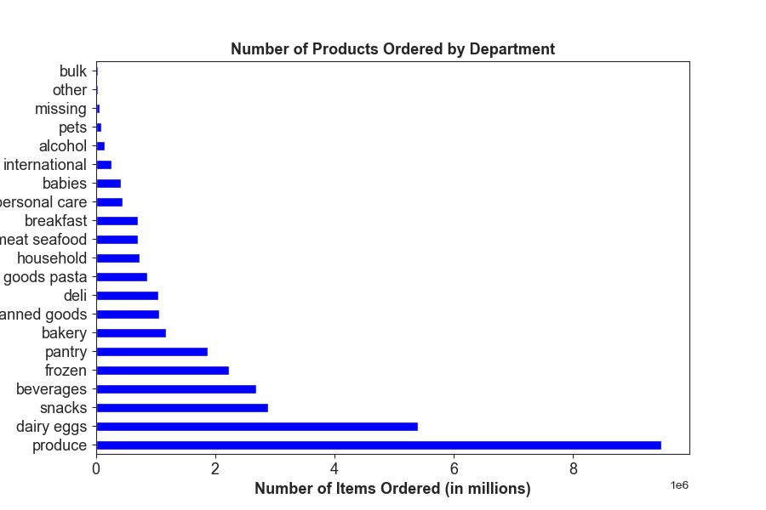

Key Question #4 Are there certain types of products that are more popular than others?

This horizonal bar chart shows the number of items ordered by departments in ascending order.
Top 10 Most popular departments are...
1. Produce
2. Dairy & Eggs
3. Snacks
4. Beverages
5. Frozen
6. Pantry
7. Bakery
8. Canned Goods
9. Deli
10. Dry Goods & Pasta

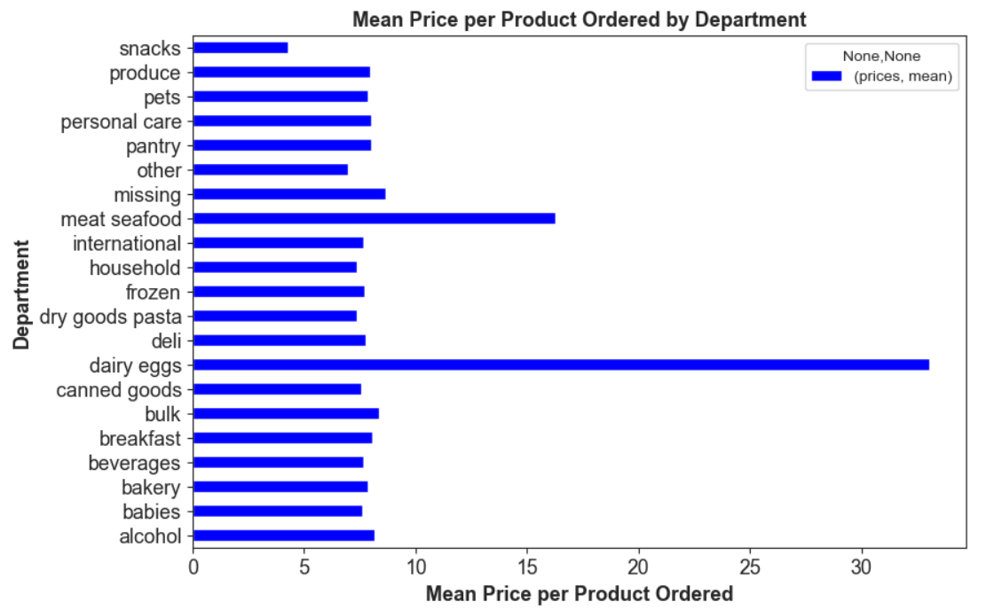

Key Question #4 Are there certain types of products that are more popular than others?

This horizontal bar chart shows the average price of products sold by department.
* There must be a typo with the dairy and eggs. I know the price of dairy products have gone up recently, but over $30 average price per item doesn't sound right.
* The Meat & Seafood department has an average price per item of $16.30.
* The Snacks department has an average price per item of $4.27.
* Other department have an average price ranging from $6.96 to $8.66.

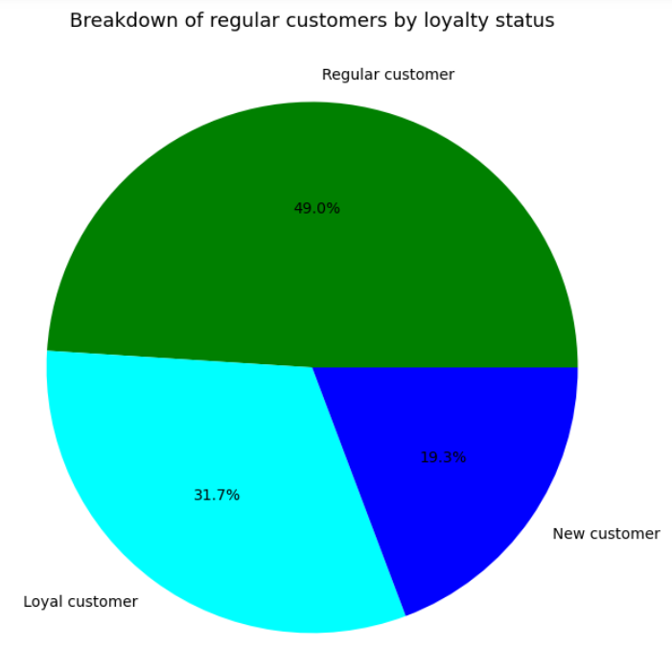

Key Question #5a What’s the distribution among users in regards to their brand loyalty (i.e., how often do they return to Instacart)?

This pie chart of Instacart customer shows how frequently they place orders.
* Loyal customers have a maximum order over 40 items. They make up about one third of the customer base.
* Frequent customers have placed a max order of over 10 and up to 40 items. They make up nearly half of the customer base.
* Non-frequent customers have a max order of up to 10 items, and are less then a quarter of the total customer base.

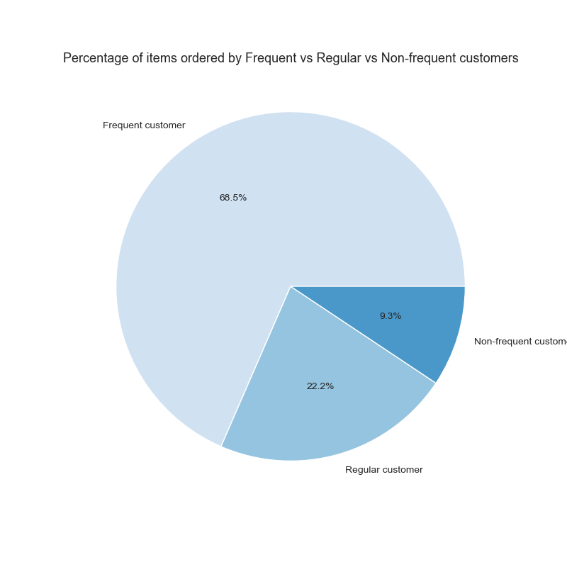

Key Question #5a What’s the distribution among users in regards to their brand loyalty (i.e., how often do they return to Instacart)?

This pie Chart shows the percentage of items each group orders.
* Frequent customers order over two thirds of all products. Their median prior order days is at most 10 days.
* Regular customers order less than a fourth of all products. Their median prior order days is between 10 and 20 days.
* Non-frequent customers' order less than a tenth of all products. Their median prior order days is greater than 20 days.

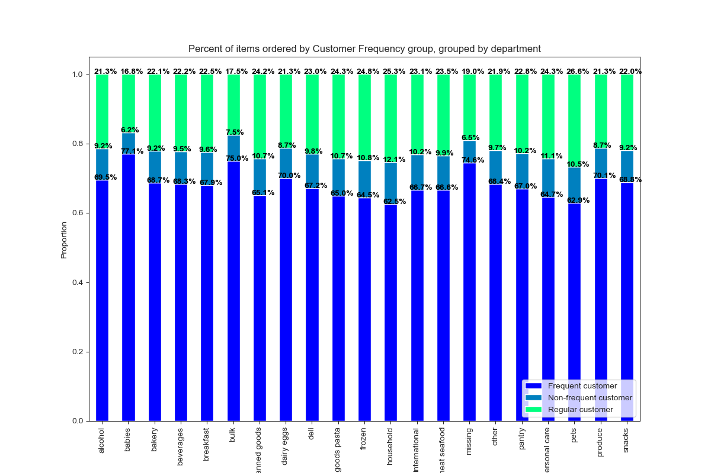

Key Question #5b Are there differences in ordering habits based on a customer’s loyalty status?

This stacked bar chart shows products sold by department by Customer frequency group, normalized.
* Frequent customers order 68.5% of items sold through Instacart.
* They order a higher percentage of items from the following departments: Babies 77.1%, Bulk - 75.0%, Missing 74.6%, Produce - 70.1%, Dairy & Eggs - 70.0%, Alcohol - 69.5%, Snacks - 68.8%, Bakery - 68.7%
* Regular customers order 22.2% of items sold through Instacart.
* They order a higher percentage of items from the following departments: Pets - 26.6%, Household 25.3%, Frozen - 24.8%, Dry Goods & Pasta - 24.3%, Canned Goods - 24.2%, Meat & Seafood - 23.5%
* Non-frequent customers order 9.3% of items sold through Instacart.
* They order a higher percentage of items from the following departments: Household 12.1%, Personal Care - 11.1%, Frozen 10.8%, Dry Goods & Pasta - 10.7%, Pets - 10.5%, Pantry 10.2%, International 10.2%, Meat & Seafood 9.9%, Deli 9.8%

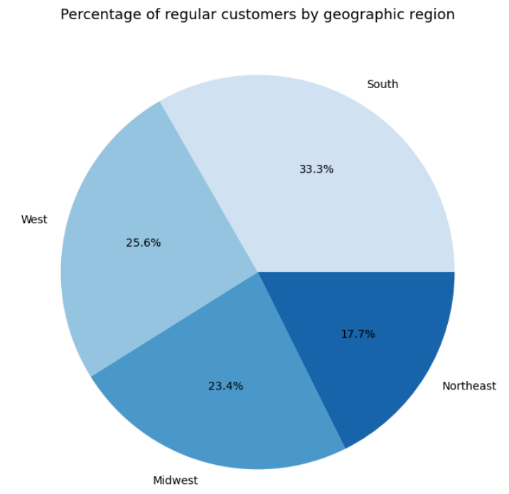

Key Question #5c Are there differences in ordering habits based on a customer’s region?

This pie chart shows Instacart customers by geographic region.
* The South region has the largest number of customers at 33%.
* The Northeast region has the smallest number of customers at 17.7%.
* The West and Midwest have approximately 25% of the total customer base in each region.

Key Question #5c Are there differences in ordering habits based on a customer’s region?
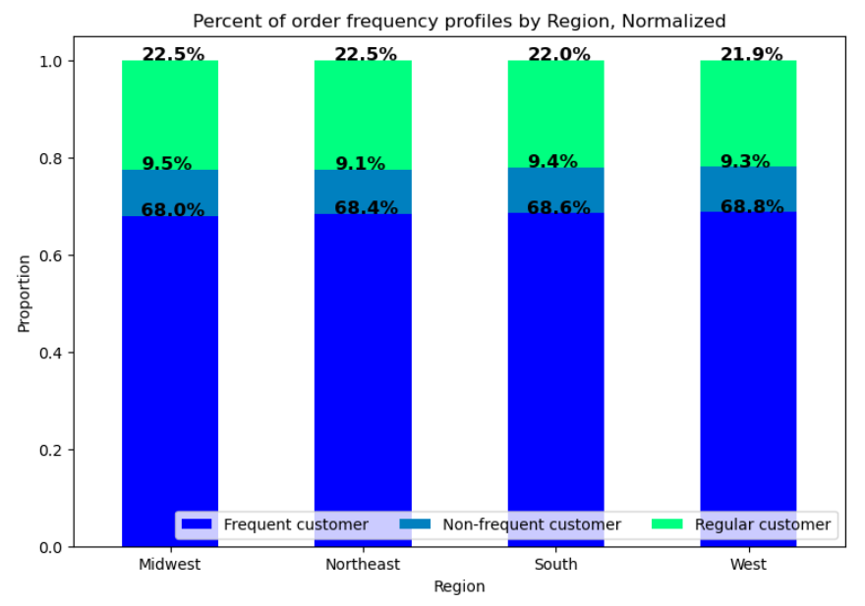

This stacked bar chart shows order frequency groups by region, normalized.
*Wow! There doesn't seem to be much variation in order frequency when looking at the different regions.
* Each region varies in its composition of Frequent/Regular/Non-frequent customers.
* The West has the highest percentage of Frequent customers
* The Northeast has the highest percentage of Regular Customers.
* Midwest has the largest percentage of Non-frequent customers.

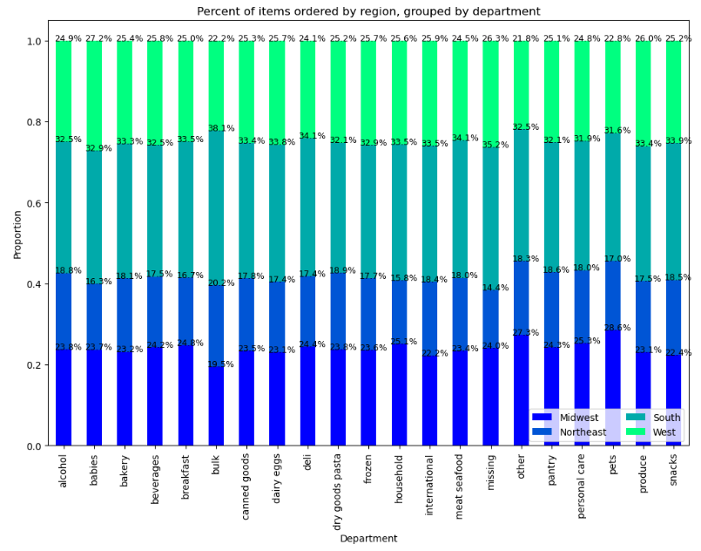
Key Question #5c Are there differences in ordering habits based on a customer’s region?

This stacked bar chart shows products sold by department by region, normalized.
* There is some variation between regions. from 1% different (Midwest region) up to 1.9% different (South region).
* However, the most variation is seen in smaller departments whose lower sales numbers are more susceptible to outliers. These departments have more niche products and not good candidates for broad advertising campaigns.
* The largest deviation from the regional average in a top department is +0.4% seen in the Beverages department in the Northeast region.



Key Question #5d Is there a connection between age and family status in terms of ordering habits?

This line chart shows the relationship between customer age and the number of dependants a customer has.
* We can see that there is no relationship between the two variables, rather the number of dependants is unrelated to customer age.
* Also, neither of those categories individually seemed to have much of an impact on the amount of money spent at Instacart or the departments the customer purchased from.

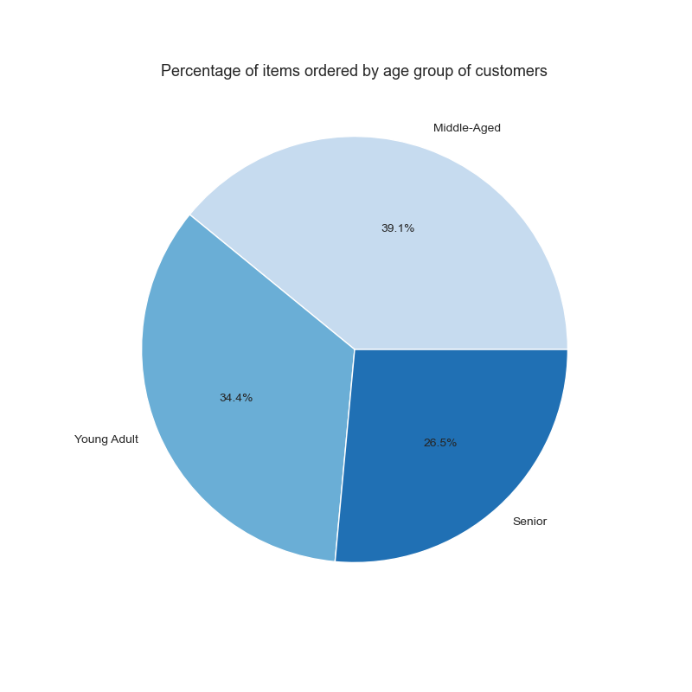

Key Question #5e What different classifications does the demographic information suggest? Age? Income? Certain types of goods? Family status?

This pie chart shows the percentage of items ordered by Instacart customers by age group.
* Middle-aged customers (older than 40 and younger than 65) make up the biggest percentage of Instacart customers. Probably because they're a busy middle-class family that's on the go and doesn't have a lot of time to stop at the store and shop.
* The Young-Adults (up to 40 years old) make up almost the same size as the middle-aged customers. These customers are comfortable with technology and are on the go as well.
* The Senior group is the smallest. These consumers are not as comfortable with technology, and many of them feel more comfortable going to the store than to place an order online. Plus, many in this group are retired, so they have more time on their hands.

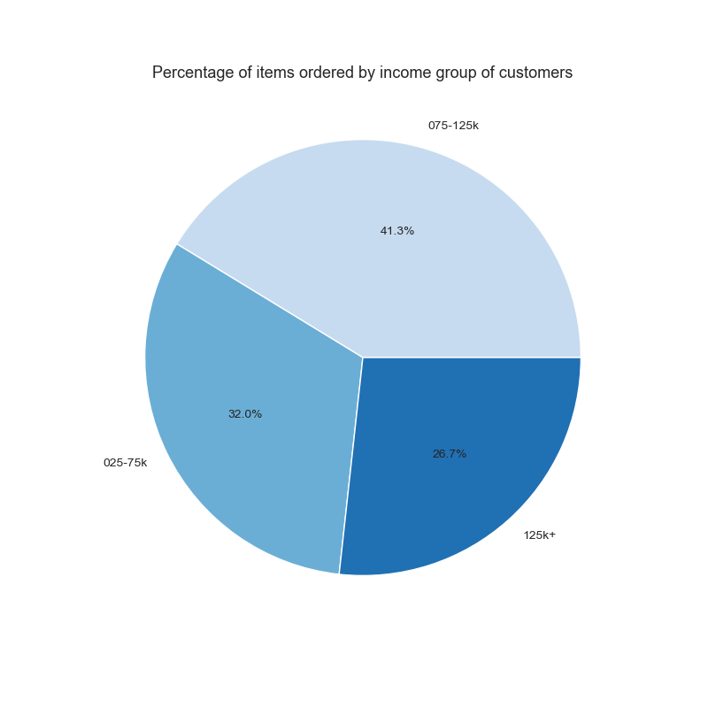

Key Question #5e What different classifications does the demographic information suggest? Age? Income? Certain types of goods? Family status?

This pie chart shows products bought by Instacart customers by income group.
* Customers in the lowest income bracket order 32% of the items on Instacart.
* Customers in the middle income bracket order 41.3% of the items on Instacart. This is the biggest group of consumers.
* Customers in the highest income bracket order only 26.7% of the items on Instacart. This is the smallest group of consumers.

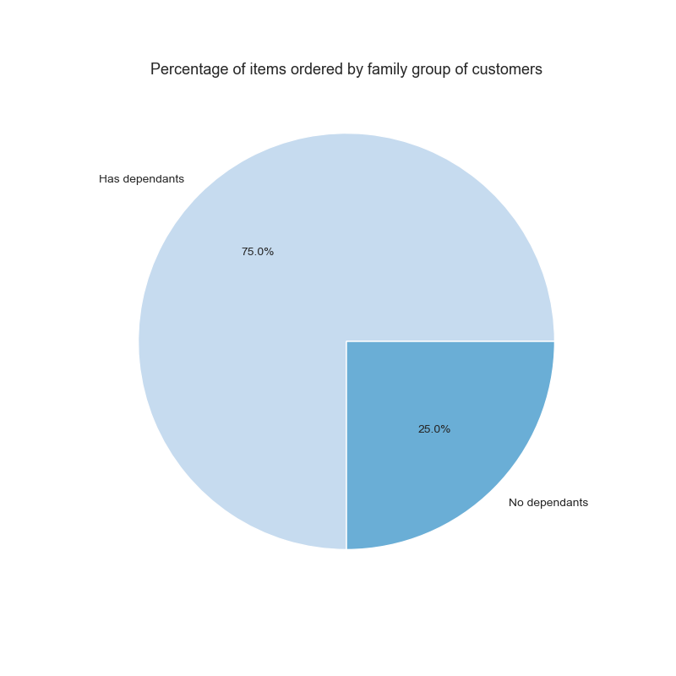

Key Question #5e What different classifications does the demographic information suggest? Age? Income? Certain types of goods? Family status?

This pie chart shows products bought by Instacart customers by family group.
* A large percentage of items on Instacart are ordered by customers who have dependants. It's possible they're buying these items for their children.

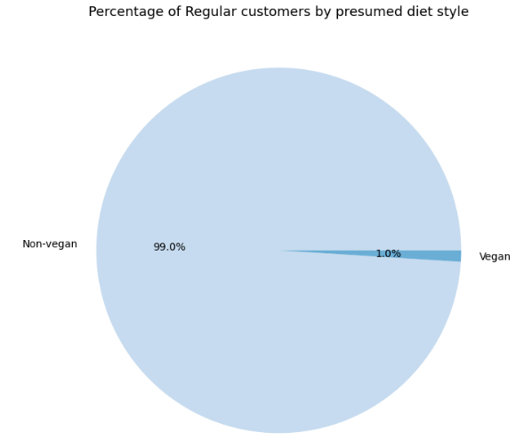
Key Question #5e What different classifications does the demographic information suggest? Age? Income? Certain types of goods? Family status?

This pie chart of products bought by Instacart customers shows presumed diet style.
* Customers were classified as Vegan if they had never ordered a dairy and/or meat product.
* It is possible that a vegan could buy a dairy or meat product for someone else.
* It is possible that a non-vegan could skip ordering dairy or meat on an order.
* According to the data, there doesn't appear to be many customers that identifty as Vegan.

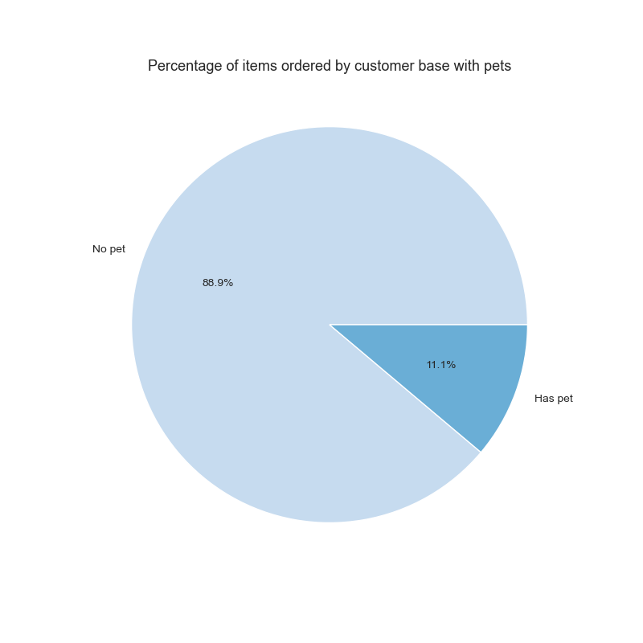

Key Question #5e What different classifications does the demographic information suggest? Age? Income? Certain types of goods? Family status?

This pie chart shows products bought by Instacart customers by presumed pet ownership.
* Pet owners were identified by orders that included a purchase of an item from the pet department.
* It's possible that there's a larger pet owner population that doesn't use Instacart for the pet purchase needs.

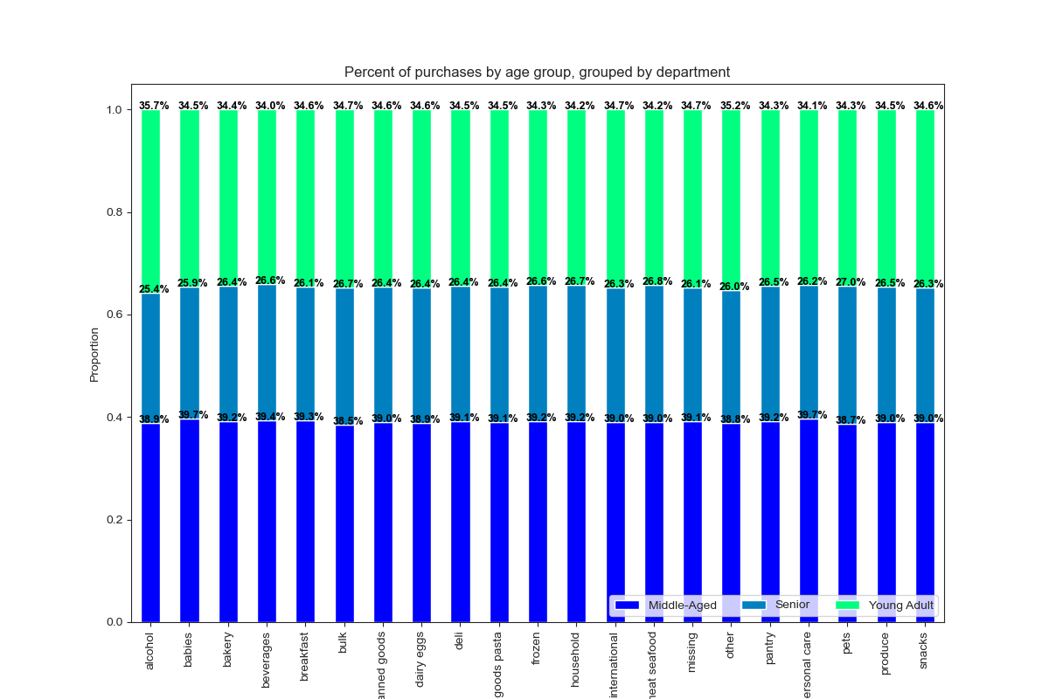

Key Question #5f What differences can you find in ordering habits of different customer profiles?

This stacked bar chart shows products sold by department by age group, normalized.
Young Adults order 34.4% of items sold through Instacart.
They order a higher percentage of items from the following departments:
-Alcohol -35.7%
-Other - 35.2%
- Bulk - 34.7%
- Missing - 34.7%
- International 34.7%
Middle-Aged customers order 39.1% of items sold through Instacart.
They order a higher percentage of items from the following departments:
- Personal care - 39.7%
- Babies - 39.7%
- Beverages - 39.4%
Senior customers order 26.5% of items sold through Instacart.
They order a higher percentage of items from the following departments:
- Pets - 27.0%
- Meat & Seafood -26.8%
-Bulk - 26.7%
-Household 26.7%

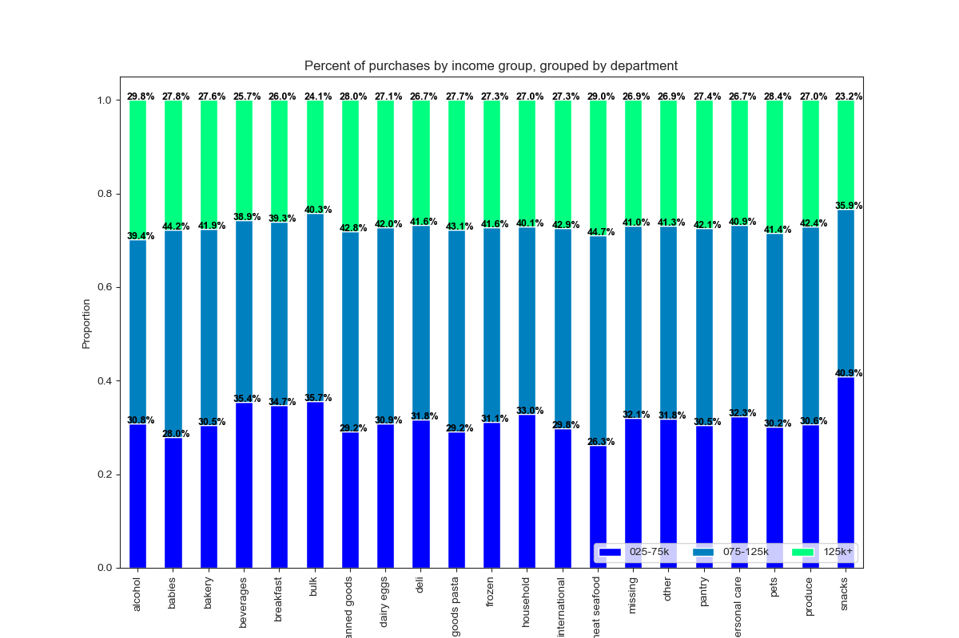

Key Question #5f What differences can you find in ordering habits of different customer profiles?

This stacked bar chart shows products sold by department by income group, normalized.
High Income customers order 26.7% of items sold through Instacart.
They order a higher percentage of items from the following departments:
-Alcohol - 29.8%
-Meat & Seafood - 29.0%
-Pets - 28.4%
-Canned goods - 28.0%
-Babies - 27.8%
-Dry goods & Pasta 27.7%
- Bakery 27.6%
Middle income customers order 41.3% of items sold through Instacart.
They order a higher percentage of items from the following departments:
-Meat & Seafood - 44.7%
-Babies - 44.2%
-Dry goods & Pasta - 43.1%
-International - 42.9%
-Canned goods - 42.8%
-Produce - 42.4%
Low income customers order 32.0% of items sold through Instacart.
They order a higher percentage of items from the following departments:
-Snacks 40.9%
- Bulk 35.7%
- Beverages 35.4%
- Breakfast 34.7%
- Household 33.0%
Low income customers also spend a lower percentage on items from Meat & Seafood (26.3%), Babies (28.0%), Canned Good (29.2%), and Dry Goods & Pasta (29.2) departments. Since products in the Snacks department are the cheapest and products in the Meat & Seafood department are nearly four times as expensive, this makes sense for the group.

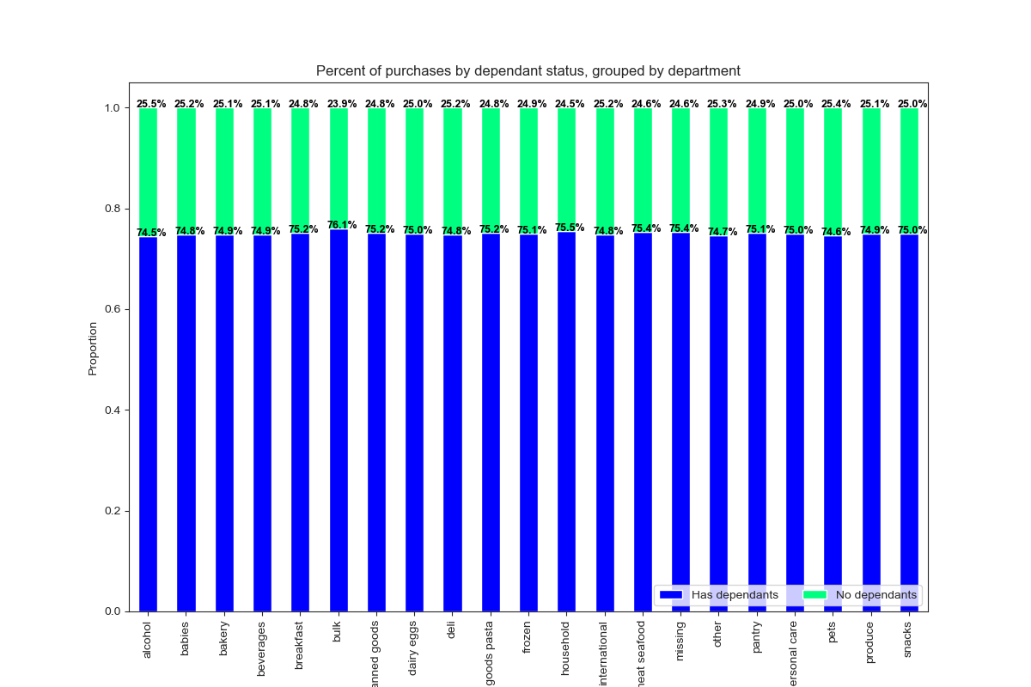

Key Question #5f What differences can you find in ordering habits of different customer profiles?

This stacked bar chart shows products sold by department by family group, normalized.
Families with dependants customers order 75.0% of items sold through Instacart.
They order a higher percentage of items from the following departments:
-Bulk - 76.1%
-Household - 75.5%
-Meat & Seafood - 75.4%
-Missing - 75.4%
Single Adult customers order 25.0% of items sold through Instacart.
They order a higher percentage of items from the following departments:
- Alcohol 25.5%
- Pets - 25.4%

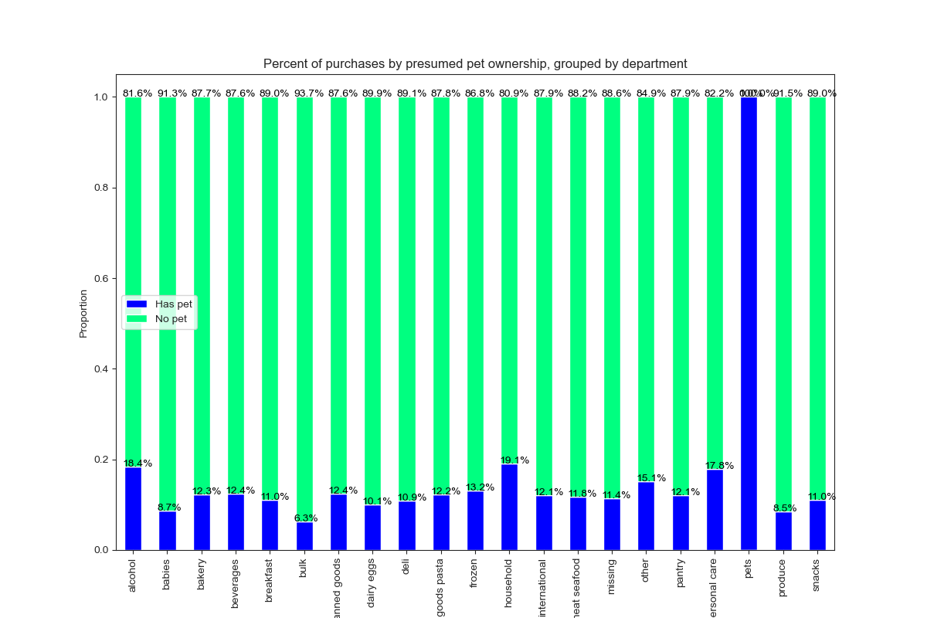

Key Question #5f What differences can you find in ordering habits of different customer profiles?

This stacked bar chart shows products sold by department by pet ownership group, normalized.
"Non pet owners" order 90% of items sold through Instacart.
They order a higher percentage of items from the following departments:
-Produce - 91.5%
-Babies- 91.3%
-Bulk- 93.7%
"Pet owner" customers order 10% of items sold through Instacart.
They order a higher percentage of items from the following departments:
- Pets - 100%

7. Recommendations
 | Title page

Recommendations

In this tab you should include any recommendations you would made to Instcart in terms of their marketing strategy based on the questions posed in the brief. Every key question has been covered in the Tasks of the Exercises - here you need to add an item - a visualisation or table/crosstable that is showing the answer in the data, acompanied by a comment from you. Please, list the questions below and add the answer underneath.

Recommendations
Key Question #1
The sales team needs to know what the busiest days of the week and hours of the day are (i.e., the days and times with the most orders) in order to schedule ads at times when there are fewer orders.

Recommendation: If the sales team wants to know when business is slow, the best time to improve sales would be to schedule ads during the weekday (Monday through Friday) and between the hours of midnight and 7am.

Key Question #2
They also want to know whether there are particular times of the day when people spend the most money, as this might inform the type of products they advertise at these times.

Recommendation: The data shows that Fridays and Saturdays typically have a higher average price per item. Plus, the time of the day when prices spike are between 4am and 8am. This coincides with running additional ads between the hours of midnight and 7am.

Key Question #3
Marketing and sales want to use simpler price range groupings to help direct their efforts.

Recommendation: Low-range products are classified as items that are less than or equal to $5. Mid-range products are items that are greater than $5 and less than or equal to $15. The high-range products are greater than $15. Based on these three groups, most of the products purchased on Instacart are mid-range products, while very few are high-range products.

Key Question #4
Are there certain types of products that are more popular than others? The marketing and sales teams want to know which departments have the highest frequency of product orders.

Top 10 Most popular departments are...
1. Produce
2. Dairy & Eggs
3. Snacks
4. Beverages
5. Frozen
6. Pantry
7. Bakery
8. Canned Goods
9. Deli
10. Dry Goods & Pasta
Recommendation: These items have the highest frequency of product orders. It would be a good idea to promote these types of items when customers are putting together their shopping list online.

Key Question #5a What’s the distribution among users in regards to their brand loyalty (i.e., how often do they return to Instacart)?

Recommendation: The majority of Instacart customers are "Regular customers". They usually return to Instacart within 10 to 20 days. And the majority of customers are "Frequent customers" who have placed an order between 10 to 40 items. The goal would be to target new customers and convert them into Loyal customers and Regular customers. Maybe this can be done with some sort of promotion that incentives them placing more orders.

Key Question #5b Are there differences in ordering habits based on a customer’s loyalty status?

Recommendation: Use targeted promotion to raise the percentages of the lower sub-groups. For example, promote household products with Frequent customers. Give them a discount on that category. For non-frequent buyers, maybe you can give them a discount on baby products or bulk items. For the Regular customers, I would recommend giving them a discount on baby products and bulk items as well.

Key Question #5c Are there differences in ordering habits based on a customer’s region?

Recommendation: The data shows that the biggest sub-group of Instacart customers are in the South, and about half of that live in the Northeast. But don't ignore about 50% of your customers are in the West and Midwest combine. My recommendation is to grow the Northeast region while retaining customers in the other three regions. The good news is all four regions have a frequent customer base of 68% and a regular customer base of 22%. That is very consistent. Focus on converting the remaining non-frequent customers.

Key Question #5c Is there a connection between age and family status in terms of ordering habits?


Recommendation: There doesn't appear to be a correlation between age and number of dependants. My recommendation is to disregard this information as this will not help the sales and marketing team with this information.

Key Question #5e What different classifications does the demographic information suggest? Age? Income? Certain types of goods? Family status?

Observations:
* Middle-aged customers (older than 40 and younger than 65) make up the biggest percentage of Instacart customers. Probably because they're a busy middle-class family that's on the go and doesn't have a lot of time to stop at the store and shop.
* The Young-Adults (up to 40 years old) make up almost the same size as the middle-aged customers. These customers are comfortable with technology and are on the go as well.
* The Senior group is the smallest. These consumers are not as comfortable with technology, and many of them feel more comfortable going to the store than to place an order online. Plus, many in this group are retired, so they have more time on their hands.
Recommendations: Aim to grow the senior subgroup. Do a survey to find out what can be done to help them feel more comfortable with placing an online order.

Key Question #5e What different classifications does the demographic information suggest? Age? Income? Certain types of goods? Family status?

Observations:
* Customers in the lowest income bracket order 32% of the items on Instacart.
* Customers in the middle income bracket order 41.3% of the items on Instacart. This is the biggest group of consumers.
* Customers in the highest income bracket order only 26.7% of the items on Instacart. This is the smallest group of consumers.
Recommendations: Aim to grow the 125k+ subgroup. Show them how placing an online order with Instacart will give them more time to do the things they love, because the only thing worth more than 125k+ per year is having more time doing the things we love.

Key Question #5e What different classifications does the demographic information suggest? Age? Income? Certain types of goods? Family status?

Observations:
* Customers who have never purchased meat products nor any dairy products are assumed to be Vegan.
* It's possible that a Vegan made a purchase of meat or dairy for someone else.
* It's possible that someone who eats meat or dairy does it outside of Instacart.
Recommendations: According to the data, it appears that the vast majority of Instacart customers purchase meat and dairy products. It wouldn't be worthwhile to try to market to this particular sub-group.

Key Question #5e What different classifications does the demographic information suggest? Age? Income? Certain types of goods? Family status?

Observation:
* A pet owner is identified by the data as a customer who purchases products from the pet department.
Recommendations: According to the American Veterinary Medical Association, 56.8% of households own a pet. (Source: https://www.avma.org/resources-tools/reports-statistics/us-pet-ownership-statistics). However, the Instacart data only shows 11.1% of orders contain pet purchases from the pet department. This looks like a great opportunity to raise sales. The marketing team needs to focus on getting this percentage closer to 50%.

Key Question #5e What different classifications does the demographic information suggest? Age? Income? Certain types of goods? Family status?

Observation:
* A large percentage of Instacart customers have dependants.
Recommendations: According to the data, it appears that the vast majority of Instacart customers have dependants. It would be worthwhile to find out what their motivation is for ordering on Instacart and what we can do to make them a regular customer.

Key Question #5f What differences can you find in ordering habits of different customer profiles?

Observations:
* Young adult Instacart customers make up 34.4% of total sales. The sales in each department were at 34% or 35%. No outliers.
* Middle-Aged Instacart customers make up 39.1% of total sales. The sales in each department were at 38% or 39%. No outliers.
* Senior Instacart customers make up 26.5% of total sales. The sales in each department were between 25% or 27%. No outliers.
Recommendations: The data is amazingly consistent throughout the 21 different departments. I don't see an opportunity to improve sales in one particular sub-group because they are all very consistent.

Key Question #5f What differences can you find in ordering habits of different customer profiles?

Observations:
* Instacart customers with an income between 25 - 75k make up 32% of total sales. The range of sales in each department were 26.3% to 40.9%.
* Instacart customers with an income between 75 - 125k make up 41.3% of total sales. The range of sales in each department were 35.9% to 40.9%.
* Instacart customers with an income 125k+ make up 26.7% of total sales. The range of sales in each department were 23.2% to 29.8%.
Recommendations: To grow 25 - 75k, marketing should suggest meat, seafood, and baby products. To grow 75 - 125k, marketing should suggest snacks, beverages, and breakfast products. To grow 125+, marketing should suggest snacks, bulk food, and beverage products.

Key Question #5f What differences can you find in ordering habits of different customer profiles?

Observations:
* Instacart customers that have dependants make up 75% of total sales. The range of sales in each department were 23 to 25%. No outliers.
* Instacart customers that have no dependants make up 25% of total sales. The range of sales in each department were 74 to 76%. No outliers.
Recommendations: Since the data in extremely consistent, I don't see any areas for improvement when it comes to marketing when it comes to families with or without dependants.

Key Question #5f What differences can you find in ordering habits of different customer profiles?

Observations:
* Instacart customers that have a pet make up 10% of total sales. Excluding the obvious pet department, the range of sales in each department were 6.3 to 19.1%.
* Instacart customers that don't have a pet make up 90% of total sales. Excluding the obvious pet department, the range of sales in each department were 80.9 to 93.7%.
Recommendations: To grow the pet houselhold sales, marketing should suggest bulk, baby products, and produce. To grow the non-pet households, marketing should suggest personal care, alcohol, and household products.

Key Question #5f What differences can you find in ordering habits of different customer profiles?

